ftm
 |  |  |  |  | Influence Coefficients Calculated by P. Titus |  |  |  |  | Coefficients Calculated by Ron Hatcher Start at U55 and appear in Calculation NSTXU-CALC-13-03-01
FX | Influence | Matrix | N/rad |  |  |  |  |  |  |  |  |  |  |  |  |  | Input Listing |  |  |  |  |  |  | !June 2011 NSTX Build
1 | 856.7656 | 804.679 | 402.8212 | 385.0967 | 267.9286 | 97.79694 | 113.4554 | 47.20776 | 25.48993 | 19.87793 | 5.065918 | 1.908569 | 1.662048 | 2.693542 | -140.6726 | 1.891357 | zero |  |  |  |  |  |  | coil OH (half-plane),
2 | -147.1568 | 344.059 | 462.4921 | 333.3344 | 164.4536 | 52.2583 | 60.87219 | 24.56909 | 13.1109 | 10.30087 | 2.600311 | 0.9709167 | 0.8433533 | 1.346069 | -111.4348 | 0.8345337 | ! Influence Coefficient Matrix Check of Ron's Coefficients |  |  |  |  |  |  | 24.2083,106.04,6.934,212.08
3 | -66.34337 | -186.1612 | 152.8504 | 363.0069 | 147.4613 | 44.34793 | 51.57231 | 20.5242 | 10.90804 | 8.583679 | 2.161407 | 0.8052826 | 0.6995697 | 1.111908 | -49.88168 | 0.6550598 | read |  |  |  |  |  |  | coil PF1a,
4 | -44.15309 | -82.4588 | -136.8337 | 292.1378 | 317.2212 | 81.96744 | 96.07193 | 37.34964 | 19.65652 | 15.58963 | 3.899963 | 1.443481 | 1.253113 | 1.96759 | -31.19681 | 1.009399 | ron7 |  |  |  |  |  |  | 32.4434,159.06,6.2454,46.3296
5 | -26.27231 | -19.44064 | -24.80624 | -74.71228 | 400.619 | 163.52 | 200.8019 | 69.88785 | 35.6076 | 28.73105 | 7.052979 | 2.566162 | 2.227905 | 3.382355 | -21.55234 | 0.9457397 | divi |  |  |  |  |  |  | coil PF1b,
6 | -3.980042 | -1.313248 | -1.431915 | -0.8929138 | 16.79922 | 150.6147 | 446.9774 | 63.99588 | 30.02812 | 23.96396 | 5.62558 | 1.986237 | 1.717377 | 2.456009 | -14.83514 | -0.3526611 | 0,2,2,1 |  |  |  |  |  |  | 40.038,180.42,3.36,18.1167
7 | -2.760803 | -0.5944519 | -0.6362 | 0.8102722 | 12.77753 | -205.4212 | 301.6024 | 87.28949 | 38.10837 | 33.05313 | 7.529022 | 2.566864 | 2.212494 | 2.942993 | -20.20291 | -1.080994 | snal |  |  |  |  |  |  | coil PF1c,
8 | 2.943024 | 2.212555 | 2.566833 | 7.529083 | 33.05295 | 38.10828 | 87.28949 | 301.6023 | -205.4212 | 12.77753 | 0.8102722 | -0.6362305 | -0.5945129 | -2.760712 | -20.20297 | -1.080872 | 1 |  |  |  |  |  |  | 55.052,181.36,3.7258,16.6379
9 | 2.456024 | 1.717377 | 1.986221 | 5.625595 | 23.96391 | 30.02812 | 63.9958 | 446.9775 | 150.6147 | 16.79919 | -0.8929443 | -1.431915 | -1.313263 | -3.979919 | -14.83519 | -0.3526306 | merge |  |  |  |  |  |  | coil PF2a,
10 | 3.382446 | 2.227753 | 2.566376 | 7.05304 | 28.73096 | 35.6077 | 69.88763 | 200.8018 | 163.5198 | 400.6189 | -74.71225 | -24.80606 | -19.44052 | -26.27252 | -21.55222 | 0.9458008 | 1,.0001 |  |  |  |  |  |  | 79.9998,193.3473,16.2712,6.797
11 | 1.96756 | 1.253174 | 1.443481 | 3.900024 | 15.58957 | 19.65646 | 37.34958 | 96.07193 | 81.9675 | 317.2212 | 292.1379 | -136.8337 | -82.459 | -44.15312 | -31.19687 | 1.00943 | redu |  |  |  |  |  |  | coil PF2b
12 | 1.111908 | 0.6995544 | 0.8053284 | 2.161484 | 8.583694 | 10.90807 | 20.52423 | 51.57233 | 44.34799 | 147.4612 | 363.007 | 152.8504 | -186.1612 | -66.34332 | -49.88162 | 0.6551208 | !real no.,nx , ny , nturns, terminal current |  |  |  |  |  |  | 79.9998,185.26,16.2712,6.797
13 | 1.3461 | 0.8433533 | 0.9709473 | 2.600433 | 10.30093 | 13.11102 | 24.56924 | 60.87222 | 52.25842 | 164.4537 | 333.3345 | 462.4922 | 344.0589 | -147.1568 | -111.4347 | 0.8347168 | rcoi |  |  |  |  |  |  | coil PF3a,
...
 |  |  |  |  |  |  |  |  |  |  |  |  |  |  | -0.6547942 | 0.2055118 | 2,2,5,32,250 !PF1bU Current is not 1000 Amp |  |  |  |  |  |  | 149.446,155.26,18.6436,6.797
 |  |  |  |  |  |  |  |  |  |  |  |  |  |  |  |  | 3,2,5,20,250 !PF1cU But 250 Because of divi 0,2,2,1 |  |  |  |  |  |  | coil PF4b,
 |  |  |  |  |  |  |  |  |  |  |  |  |  |  | -101.1178 | -0.4188528 | 4,4,14,28,250 !PF2U |  |  |  |  |  |  | 179.4612,80.7212,9.1542,6.797
 |  |  |  |  |  |  |  |  |  |  |  |  |  |  | -131.4097 | -0.2137117 | 5,3,10,30,250 !PF3U |  |  |  |  |  |  | coil PF4c,
 |  |  |  |  |  |  |  |  |  |  |  |  |  |  | -87.7562 | -0.2373886 | 6,1,17,17,250 !PF4U |  |  |  |  |  |  | 180.6473,88.8086,11.5265,6.797
 |  |  |  |  |  |  |  |  |  |  |  |  |  |  | -115.7142 | -0.5509348 | 7,4,6,24,250 !PF5U |  |  |  |  |  |  | coil PF5a,
 |  |  |  |  |  |  |  |  |  |  |  |  |  |  | -56.21193 | -1.644186 | 8,4,6,24,250 !PF5L |  |  |  |  |  |  | 201.2798,65.2069,13.5331,6.858
 |  |  |  |  |  |  |  |  |  |  |  |  |  |  | -11.11267 | 0.6535296 | 9,1,17,17,250 !PF4L |  |  |  |  |  |  | coil PF5b,
 |  |  |  |  |  |  |  |  |  |  |  |  |  |  | -12.54073 | -1.496866 | 10,3,10,30,250 !PF3L |  |  |  |  |  |  | 201.2798,57.8002,13.5331,6.858
 |  |  |  |  |  |  |  |  |  |  |  |  |  |  | 12.54076 | 1.496879 | 11,4,14,28,250 !PF2L |  |  |  |  |  |  | exit
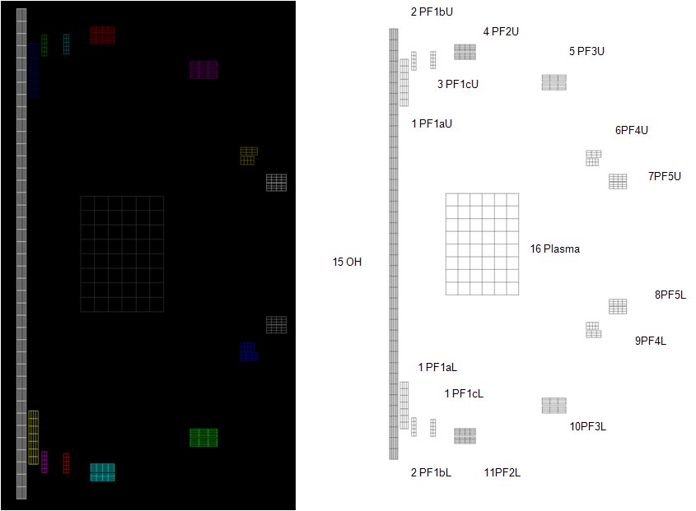
 |  |  |  |  |  |  |  |  |  |  |  |  |  |  | 11.11273 | -0.6535406 | 12,2,5,20,250 !PF1cL
 |  |  |  |  |  |  |  |  |  |  |  |  |  |  | 56.21179 | 1.644278 | 13,2,5,32,250 !PF1bL
 |  |  |  |  |  |  |  |  |  |  |  |  |  |  | 115.7142 | 0.5509545 | 14,4,7,64,250 !PF1aL
 |  |  |  |  |  |  |  |  |  |  |  |  |  |  | 87.75616 | 0.23738 | 15,10,80,884,250 !OH
 |  |  |  |  |  |  |  |  |  |  |  |  |  |  | 131.4097 | 0.2136993 | 16,6,8,1,250 !Plasma
 |  |  |  |  |  |  |  |  |  |  |  |  |  |  | 101.1178 | 0.418849
 |  |  |  |  |  |  |  |  |  |  |  |  |  |  | 0.00E+00 | 1.15E-04 | infl
 |  |  |  |  |  |  |  |  |  |  |  |  |  |  | -1.55E-08 | 0.00E+00 | 16
...
 |  |  |  |  |  |  |  |  |  |  |  |  |  |  | 7.153032 | 4.54E-02 | copt
 |  |  |  |  |  |  |  |  |  |  |  |  |  |  | 0.4502654 | 2.47E-03 | r
 |  |  |  |  |  |  |  |  |  |  |  |  |  |  | -4.00E-02 | 1.64E-03 | plce
 |  |  |  |  |  |  |  |  |  |  |  |  |  |  | 3.69E-02 | -5.31E-05 | pl
 |  |  |  |  |  |  |  |  |  |  |  |  |  |  | 3.32E-02 | 1.01E-05
 |  |  |  |  |  |  |  |  |  |  |  |  |  |  | -8.53E-02 | -8.88E-02 | exit
 |  |  |  |  |  |  |  |  |  |  |  |  |  |  | 2.69E-04 | -6.84E-04
 |  |  |  |  |  |  |  |  |  |  |  |  |  |  | -3.94E-04 | 5.26E-04
 |  |  |  |  |  |  |  |  |  |  |  |  |  |  | 8.52E-02 | 8.86E-02
 |  |  |  |  |  |  |  |  |  |  |  |  |  |  | -3.32E-02 | 5.08E-05
 |  |  |  |  |  |  |  |  |  |  |  |  |  |  | -3.70E-02 | -2.28E-04
 |  |  |  |  |  |  |  |  |  |  |  |  |  |  | 4.00E-02 | -1.71E-03
 |  |  |  |  |  |  |  |  |  |  |  |  |  |  | -0.4502101 | -2.63E-03
 |  |  |  |  |  |  |  |  |  |  |  |  |  |  | -7.152684 | -4.59E-02
 |  |  |  |  |  |  |  |  |  |  |  |  |  |  | 0.00E+00 | 1.54E-03
 |  |  |  |  |  |  |  |  |  |  |  |  |  |  | -4.60E-10 | 0.00E+00
 |  |  |  |  |  |  |  |  |  |  |  |  |  |  |  |  |  | PF1aU | PF1bU | PF1cU | PF2U | PF3U | PF4U | PF5U | PF5L | PF4L | PF3L | PF2L | PF1cL | PF1bL | PF1aL | OH | Pl
 |  |  |  |  |  |  |  |  |  |  |  |  |  |  | OH | Pl |  | PF1aU | PF1bU | PF1cU | PF2U | PF3U | PF4U | PF5U | PF5L | PF4L | PF3L | PF2L | PF1cL | PF1bL | PF1aL | OH | Pl |  | PF1aU
 |  |  |  |  |  |  |  |  |  |  |  |  |  |  | -198.6949 | 2.671473 | PF1aU | 1172.7 | 1109.9 | 556.7 | 530.6 | 362 | 130.2 | 148.7 | 59.2 | 31.8 | 23.5 | 5.9 | 2.3 | 2 | 3.2 | -265.6 | 2.5 | PF1aU | 1.0319348512
 |  |  |  |  |  |  |  |  |  |  |  |  |  |  | -157.3976 | 1.178748 | PF1bU | -214.8 | 460.7 | 652.6 | 467.8 | 225.3 | 69.9 | 79.9 | 30.5 | 16.2 | 12 | 3 | 1.1 | 1 | 1.6 | -186.3 | 1.1 | PF1bU | 0.96766061453
 |  |  |  |  |  |  |  |  |  |  |  |  |  |  | -70.45604 | 0.925248 | PF1cU | -97.3 | -271.4 | 200.8 | 509.8 | 202.4 | 59.3 | 67.7 | 25.4 | 13.4 | 9.9 | 2.4 | 0.9 | 0.8 | 1.3 | -87.2 | 0.9 | PF1cU | 0.96307882837
 |  |  |  |  |  |  |  |  |  |  |  |  |  |  | -44.06435 | 1.42574 | PF2U | -67.2 | -122.3 | -199.8 | 383 | 436.4 | 109 | 125.2 | 45.5 | 23.7 | 17.5 | 4.3 | 1.6 | 1.4 | 2.2 | -66.1 | 1.3 | PF2U | 0.92804494048
 |  |  |  |  |  |  |  |  |  |  |  |  |  |  | -30.44189 | 1.335823 | PF3U | -41.5 | -31.4 | -39.1 | -116.5 | 497.3 | 218.9 | 265.3 | 85.2 | 42.7 | 31.9 | 7.5 | 2.7 | 2.3 | 3.5 | -57.2 | 1.3 | PF3U | 0.89418481928
 |  |  |  |  |  |  |  |  |  |  |  |  |  |  | -20.9541 | -0.4981209 | PF4U | -7.7 | -3.3 | -3.5 | -5.1 | 12.1 | 178.8 | 620.1 | 81.4 | 37.2 | 27.5 | 6 | 2.1 | 1.8 | 2.4 | -37.2 | -0.5 | PF4U | 0.7300861039
...

